What is a Processing Activity
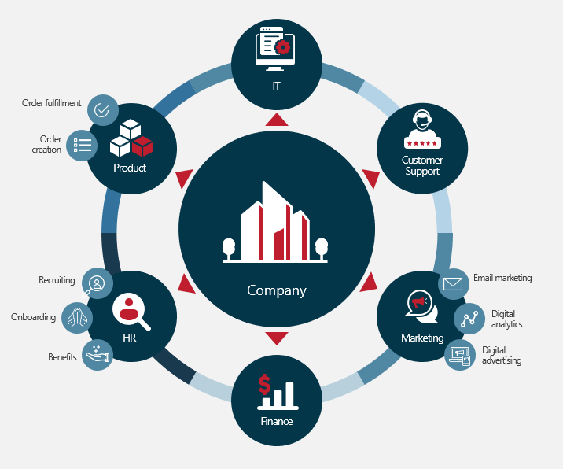
What is a processing activity?
A processing activity is the name of what you do with the data. An example, if you collect email addresses from your customers in order to send marketing emails. You would name the processing activity "Marketing Emails." Further, it is any activity that performs an operation on personal data such as, collecting, processing, storing, deleting, and/or sharing personal data. One way to think of it is by looking at the types of activities that happen in a function. A good place to start is by breaking down the company into core functions. Then looking at what happens within each function as it relates to personal data. These are a few examples below. More examples are on another tab to help get you started on your process activities.
COPYRIGHT © 2022 Red Clover Advisors, LLC DISCLAIMER: Red Clover Advisors is not a law firm. The materials in this entire document are for informational purposes only and not for the purpose of providing legal advice.

Sample Processing Activity
Processing Activity Example - Flow of Data
An example of a processing activity. Data comes in from the website such as name and email address. It's stored in multiple databases such as the email service provider Mailchimp, the CRM Hubspot and an export to Google Drive. Many groups of people inside the company see this information including sales and marketing. Weekly an email is sent to the email address through the email service provider to the end individual.

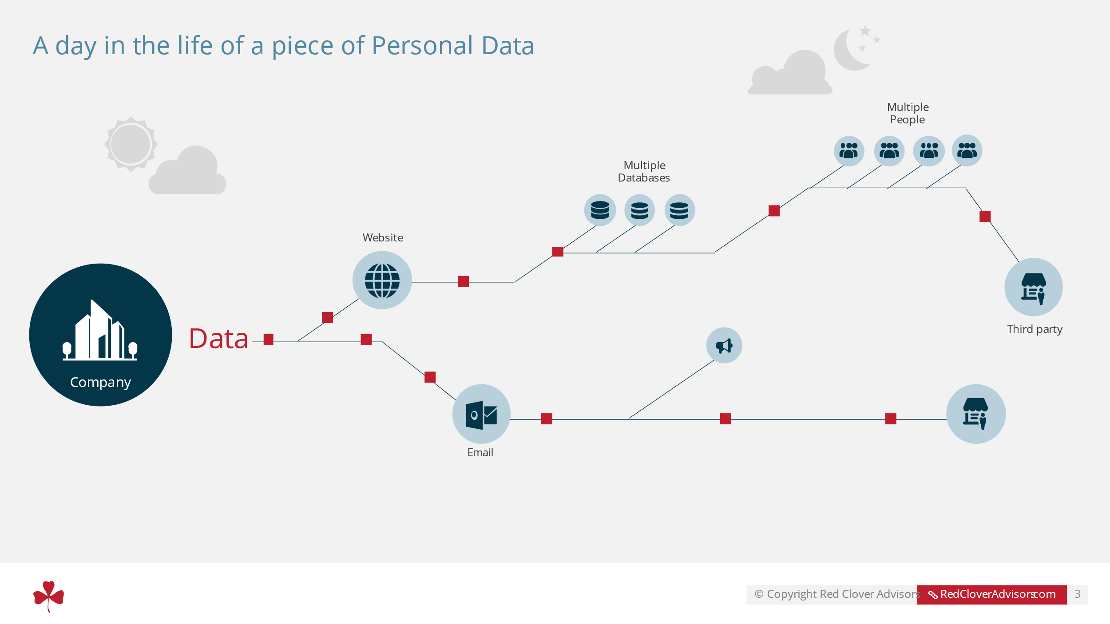

COPYRIGHT © 2022 Red Clover Advisors, LLC DISCLAIMER: Red Clover Advisors is not a law firm. The materials in this entire document are for informational purposes only and not for the purpose of providing legal advice.

What is Sensitive Data
 |  | What is sensitive data?
 | Sensitive Data - or Sensitive Personal Information - can be information regarding an individual’s race, ethnicity, marital status, religion, health records, sexuality, social security number, license, etc. Data classified as sensitive varies by regulation, as seen below.

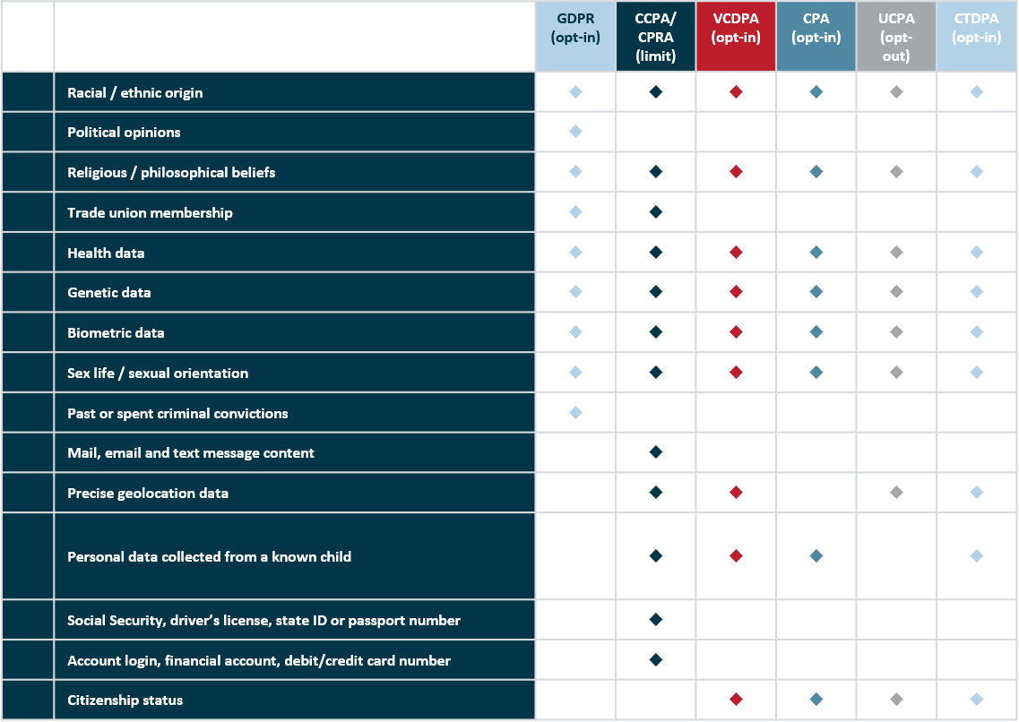

COPYRIGHT © 2022 Red Clover Advisors, LLC DISCLAIMER: Red Clover Advisors is not a law firm. The materials in this entire document are for informational purposes only and not for the purpose of providing legal advice.

